NPI Survey
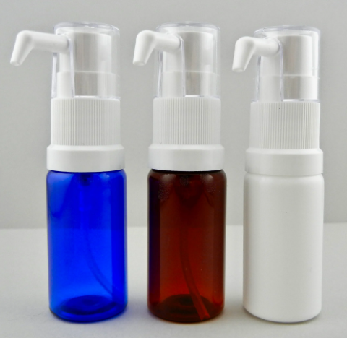
BU | Product Name | Picture | Product Discription | Main Application Scinario | Market Uni-Price | Purchase Frequency | Purchase Amount | Customer Pain Point/Request
BU9 | Plastic Bottles & Meter Pumps |  | 15mL Amber Plastic Bottle（with 50uL Dose） | SLIT treatment？
BU9 |  |  | 15mL Blue Plastic Bottle（with 50uL Dose）
BU9 |  |  | 15mL White Plastic Bottle（with 50uL Dose）
BU9 |  |  | 15mL Amber Plastic Bottle（with 140uL Dose）
BU9 |  |  | 15mL Blue Plastic Bottle（with 140uL Dose）
BU9 |  |  | 15mL White Plastic Bottle（with 140uL Dose）
BU9 |  |  | 30mL Amber Plastic Bottle（with 50uL Dose）
BU9 |  |  | 30mL Blue Plastic Bottle（with 50uL Dose）
BU9 |  |  | 30mL White Plastic Bottle（with 50uL Dose）
BU9 |  |  | 30mL Amber Plastic Bottle（with 140uL Dose）
BU9 |  |  | 30mL Blue Plastic Bottle（with 140uL Dose）
BU9 |  |  | 30mL White Plastic Bottle（with 140uL Dose）
BU9 | Plastic Dropper Bottle | 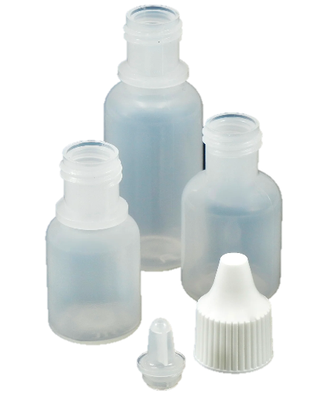 | 5mL Natural Plastic Bottle (with 50uL Dose) | Skin test procedure？ In-office Compounding？ SLIT treatment？
BU9 |  |  | 10mL Natural Plastic Bottle (with 50uL Dose)
BU9 |  |  | 15mL Natural Plastic Bottle (with 50uL Dose)
BU9 | Skin Marker |  | Surgical Skin Marker（Sterile/Non-Sterile) (W Ruler/ WO Ruler） | Skin test procedure？
BU9 | Fingernail Cleaner | 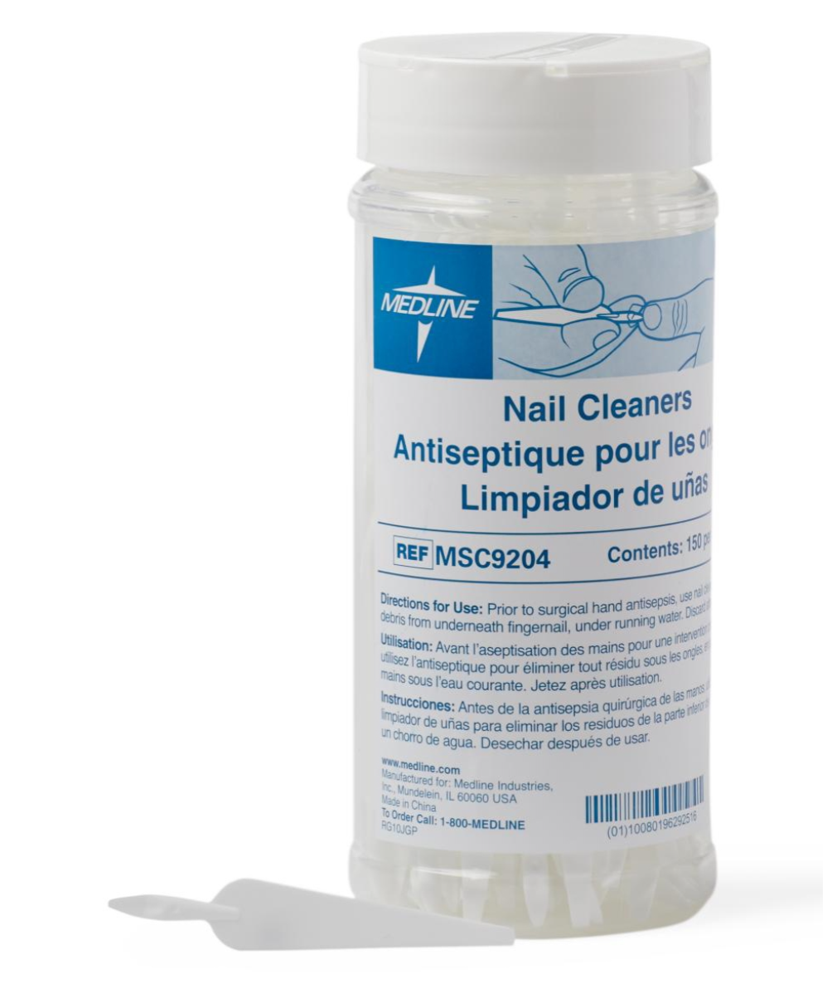 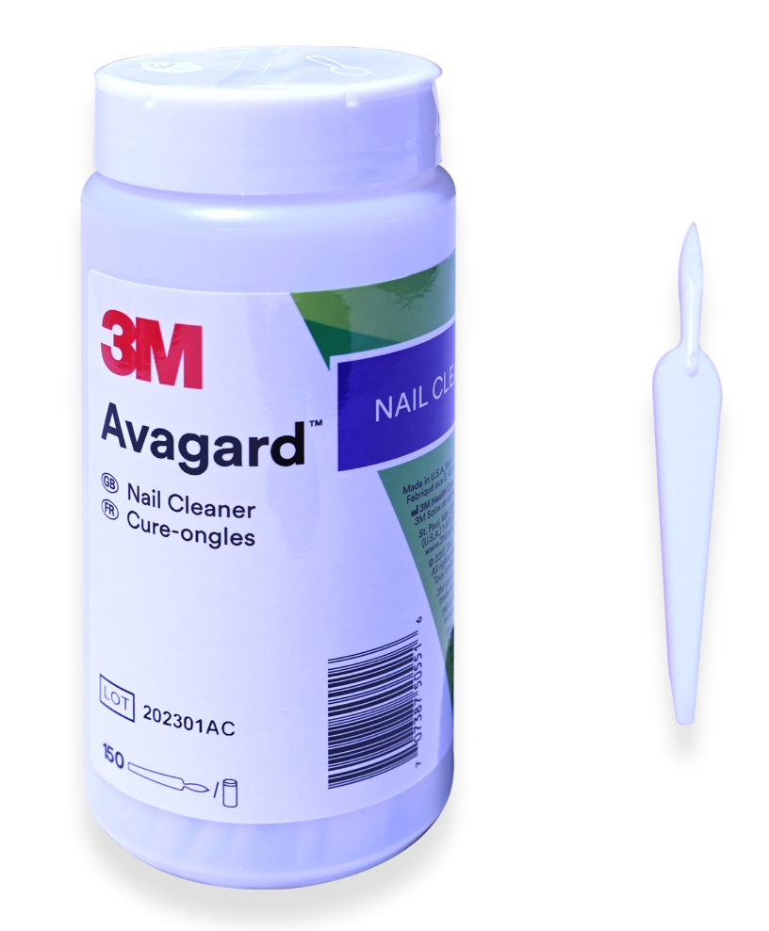 | Fingernail Cleaner | In-office Compounding？

